Issues with Data
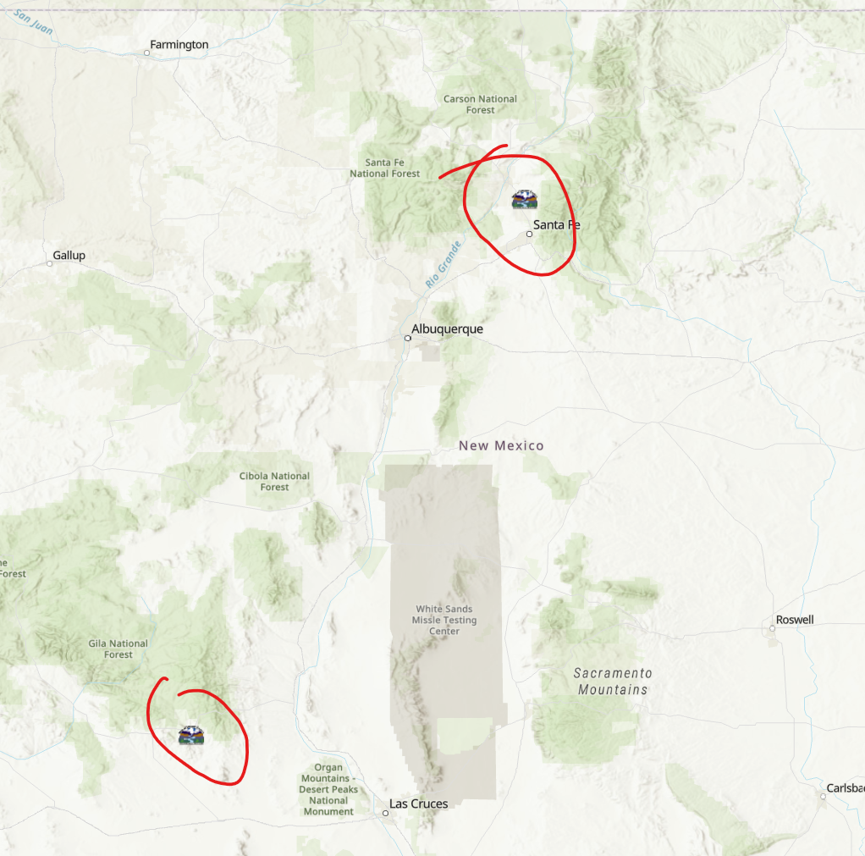
Duplicate Station_ID wity non-uqniue Gage_name
Station_ID | Op_Initial | OSE_File | POD_nbr | Ditch_Name | River_src | Field_ID | Photo_ID | Comments | Northing | Easting | Edit_Date | Photos | Weblink | Gauge_name | Basin | Number_ | Suffix | Meter_type | Meter_status | Percent_progress | Jurisdiction | Latitude | Longitude | lat_ddd | long_ddd | SW_or_GW | recent_discharge | data_url | wade_lat | wade_long | Field | WaDEUUID
1 | jt | ancon jaco |  | Ancon de Jacona | N | nambe | <Null> | Ancon de Jacona | 3972662.1966 | 406239.54409 | 2009-10-07 |  |  | Ancon de Jacona |  |  | flume | Radio | Complete | 100 | OSE | 35Â° 53' 37.497"" N | 106Â° 2' 20.032"" W | 35.893749274 | -106.03889789 | S | 0.01 | http://meas.ose.state.nm.us/site.jsp?id=1&status=Y&type=S | 35.893755075 | 35.893755075 |  | in115
1 | jt | ancon jaco |  | Acequia Ancon de Jacona | N | nambe | <Null> | Ancon de Jacona | 3972662.1966 | 406239.54409 | 2009-10-07 |  |  | Acequia Ancon de Jacona |  |  | flume | RadioTower | Complete | 100 | OSE | 35Â° 53' 37.497"" N | 106Â° 2' 20.032"" W | 35.89374927 | -106.03889789 | S |  |  | 35.893755075 | 35.893755075 |  | in1373

Duplicate Station_IDs but these don't share the same lat and long values
Station_ID | Op_Initial | OSE_File | POD_nbr | Ditch_Name | River_src | Field_ID | Photo_ID | Comments | Northing | Easting | Edit_Date | Photos | Weblink | Gauge_name | Basin | Number_ | Suffix | Meter_type | Meter_status | Percent_progress | Jurisdiction | Latitude | Longitude | lat_ddd | long_ddd | SW_or_GW | recent_discharge | data_url | wade_lat | wade_long | Field | WaDEUUID
192 | jt | el lllano |  | del Llano | N |  | <Null> | Llano | 3972529.486 | 412839.89096 | 2009-10-07 |  |  | Llano |  |  | flume | Radio | Complete | 100 | OSE | 35Â° 53' 35.388"" N | 105Â° 57' 56.732"" W | 35.893163243 | -105.96575894 | S | 2.06 | http://meas.ose.state.nm.us/site.jsp?id=192&status=Y&type=S | 35.893169048 | 35.893169048 |  | in17
192 | CN |  |  | Llano Ditch | M | Mimbres |  | CN added 1/21/16 |  |  | 2016-01-21 |  |  | Llano Ditch |  |  |  | Satellite | Complete | 100 | OSE | 32Â° 46' 8.390"" N | 107Â° 54' 36.450"" W |  |  | S | 2.06 | http://meas.ose.state.nm.us/site.jsp?id=192&status=Y&type=S | 32.76900245 | 32.76900245 |  | in1250
192 | CN |  |  | Llano Ditch | M | Mimbres |  | CN added 1/21/16 |  |  | 2016-01-21 |  |  | Llano Ditch |  |  |  | Satellite | Complete | 100 | OSE | 32Â° 46' 8.390"" N | 107Â° 54' 36.450"" W |  |  | S |  |  | 32.76900245 | 32.76900245 |  | in1299
192 | jt | el lllano |  | Acequia del Llano | N |  | <Null> | Llano | 3972529.486 | 412839.89096 | 2009-10-07 |  |  | Acequia del Llano |  |  | flume | RadioTower | Complete | 100 | OSE | 35Â° 53' 35.388"" N | 105Â° 57' 56.732"" W | 35.89316324 | -105.96575894 | S |  |  | 35.893169048 | 35.893169048 |  | in1372

